Sheet1
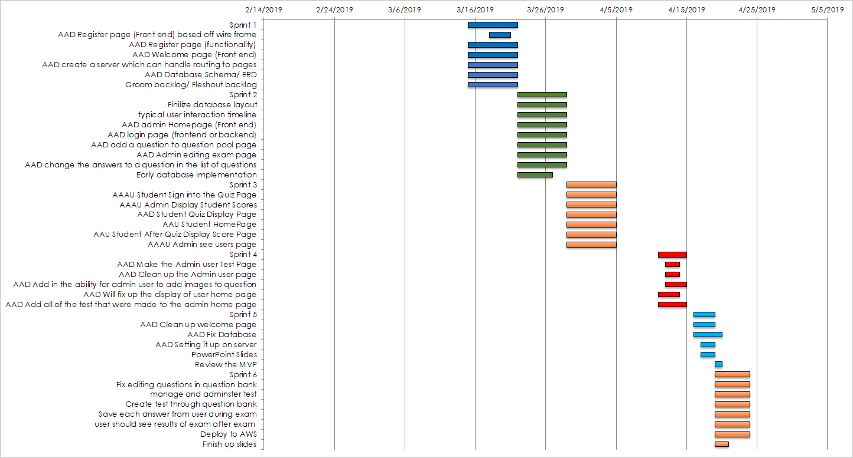
PROJECT PLAN
TASK NAME | FEATURE TYPE | RESPONSIBLE | START | FINISH | DURATION (DAYS) | STATUS | COMMENTS | Predecessor
Sprint 1 |  |  | 3/15/19 | 3/22/19 | 7 | Done
AAD Register page (Front end) based off wire frame | View | Abraham/Danish | 3/18/19 | 3/21/19 | 2019-03-04 | Done |  | N/A
AAD Register page (functionality) | View | Jared/Abraham | 2019-03-15 | 3/22/19 | 5 | Done | In Progress | N/A
AAD Welcome page (Front end) | View | Daryle/Richard | 2019-03-15 | 3/22/19 | 5 | Done | Completed, though links on Nav Bar Need Work | N/A
AAD create a server which can handle routing to pages | Backend/Server | Zach/Daryle | 3/15/19 | 3/22/19 | 5 max | Done | Mostly set up | At least 2 views
AAD Database Schema/ ERD | Backend/Database | Zach/Jared/Mitchell | 3/15/19 | 3/22/19 | 2 days | Done | On github...check/revision in progress | N/A
Groom backlog/ Fleshout backlog | Upkeep | Danish/ Richard/Mitchell | 3/15/19 | 3/22/19 | 7 days max | Done | we need more stories that are more detailed | N/A
Sprint 2 |  |  | 3/22/19 | 3/29/19 | 7 |  | Done
Finilize database layout | Backend/Database | Zach/Jared | 3/22/19 | 3/29/19 | 7 | Done | In Progress | Server with routes
typical user interaction timeline | Upkeep | Danish/Richard | 3/22/19 | 3/29/19 | 7 | Done | Not Started | Server with routes
AAD admin Homepage (Front end) | Frontend | Daryle/Mitch | 3/22/19 | 3/29/19 | 7 | Done | In Progress | Server with routes
AAD login page (frontend or backend)? | Front/Backend | Jared/Abraham | 3/22/19 | 3/29/19 | 7 | Done |  | Database Schema
AAD add a question to question pool page | Front/Backend | Zach/Jared | 3/22/19 | 3/29/19 | 7 | Done | Edit function is rough. Going to take a bit to finish | Server with routes
AAD Admin editing exam page | Front/Backend | Abraham/Daryle/Mitchell | 3/22/19 | 3/29/19 | 7 | Done |  | Server with routes
AAD change the answers to a question in the list of questions | Front/BackEnd | Jared/Zach | 3/22/19 | 3/29/19 | 7 | Done | Linked to row 15. Finished | Server with routes
Early database implementation | Backend/Database | Zach/Jared | 3/22/19 | 3/27/19 | 7 | Done | Skeleton, not final version | Database schema
Sprint 3 |  |  | 3/29/19 | 4/5/19 | 7 | 8 | Done
AAAU Student Sign into the Quiz Page | View | Jared/Abraham/Zach | 3/29/19 | 4/5/19 | 7 | Done | Easy just had to link the pages together. Use for reference
AAAU Admin Display Student Scores | View | Daryle/Danish/Abraham | 3/29/19 | 4/5/19 | 7 | Done
AAD Student Quiz Display Page | View | Richard/Mitch | 3/29/19 | 4/5/19 | 7 | Done
AAU Student HomePage | View | Richard/Daryle | 3/29/19 | 4/5/19 | 7 | Done
AAU Student After Quiz Display Score Page | View | Jared/Abraham | 3/29/19 | 4/5/19 | 7 | Done
AAAU Admin see users page | View | Zach/Jared | 3/29/19 | 4/5/19 | 7 | Done | More detail on this at standup
Sprint 4 |  |  | 4/11/19 | 4/15/19 | 7 |  | Done
AAD Make the Admin user Test Page | View | Abraham | 4/12/2019 | 4/14/2019 | 7 | Done
AAD Clean up the Admin user page | View | Abraham | 4/12/2019 | 4/14/2019 | 7 | Done
AAD Add in the ability for admin user to add images to question | View | Daryle/Jared | 4/12/2019 | 4/15/2019 | 7 | LATE
AAD Will fix up the display of user home page | View | Richard | 4/11/2019 | 4/14/2019 | 7 | Done
AAD Add all of the test that were made to the admin home page | View | Abraham | 4/11/2019 | 4/15/2019 | 7 | Done
Sprint 5 |  |  | 4/16/19 | 4/19/19 | 7 |  | In Progress
AAD Clean up welcome page | View | Daryle/Jared | 4/16/19 | 4/19/19 | 7 | Done
AAD Fix Database | BackEnd | Jared | 4/16/19 | 4/20/19 | 7 | LATE
AAD Setting it up on server | BackEnd | Mitchell | 4/17/2019 | 4/19/2019 | 7 | Done
PowerPoint Slides | View | Danish/Richard | 4/17/2019 | 4/19/2019 | 7 | Done
Review the MVP | View | Everyone | 4/19/2019 | 4/20/2019 | 7 | LATE
Sprint 6 |  |  | 4/19/19 | 4/24/19 | 7 |  | In Progress
Fix editing questions in question bank | BackEnd | Zach | 4/19/19 | 4/24/19 | 7 | Done | Had to update because database changes
manage and adminster test | BackEnd | Daryle | 4/19/19 | 4/24/19 | 7 | Done
Create test through question bank | BackEnd | Abraham | 4/19/19 | 4/24/19 | 7 | Done
Save each answer from user during exam | Backend | Jared | 4/19/19 | 4/24/19 | 7 | Done
user should see results of exam after exam | View | Richard | 4/19/19 | 4/24/19 | 7 | Done
Deploy to AWS | BackEnd | Mitchell | 4/19/19 | 4/24/19 | 7 | Done
Finish up slides | View | Danish | 4/19/19 | 4/21/19 | 2 | Done

